Guidelines
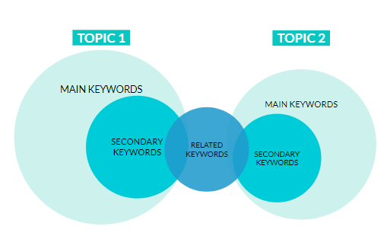
INSTRUCTIONS FOR USING THE KEYWORD RESEARCH:
The document is structured vertically in H1, H2, H3 and horizontally in main Keyword, secondary Keyword and related Keyword
The main keyword is the most important question for the quality of the page and are a positioning. It must therefore be content in the H1, as well as in the Title (possibly at the beginning) and in the Meta description.
The secondary keyword is not important like the main one, may response has an intent to do so analogous to what the main one is, completely or in part, and per question interesting.
Among the secondary keywords we have indicated what we think may be interesting to use in headings (H2, H3, H4, etc.). The other secondary keys are however interesting to use within the text.
Finally, the related keyword are keys that draw on the same semantic field as principal and secondary but have a search intent a little further away. However, they can be useful for drawing inspiration for the development of texts and above all for the creation of internal linking.
It is not mandatory to insert all the keywords, but it is more important to change the management, so: use the main one for H1, Title and Meta description; use the secondary for the headings trying to respect the indications
Insert the keyword in a natural way, without forcing, within the text, favoring secondary keys and, among the related keys, the one reported for the creation of internal links.

INSTRUCTIONS FOR TITLE, META DESCRIPTION AND HEADINGS COMPOSITION:
Title is one of the most important elements in terms of SEO. It appears in the SERPs and it represents the topic of the page (both for users and Search Engines). To be properly optimized, it has to present several characteristics: - Title tag must present the main keyword on which the page will be optimized; - Title can present the name of the brand, distinguished from the page topic by a symbol or character as separator. - Title must respect a determined length range, between 45 and 60 characters;
Meta Description is an important element within the SERP, especially for users to undestand the contents and topics of the page. It has lower impact in terms of SEO, but it can be useful to strengthen keywords consistency. To be properly optimized, it has to present several characteristics: - Meta Description must respect a determined legth range, between 130 and 160 characters; - Meta Description should describe in the most complete way the contents and topics of the page, including (if possible) keywords related to them; - Meta Description should include also a CTA in order to catch users attention and entice the user to browse the page.
Headings constitute the paragraphs separators that present the specific topics developed within the page. They are important elements to present the different contents (and related keywords) within the page. To be properly optimized, they have to present several characteristics: - Headings shold be presented as more hierarchically distributed as possible within the page (e.g.: H1, H2s, H3s, H4s etc.), without skipping from multiple levels (e.g.: H1, H3, H2, H4, H2 etc.); - H1 is the most important heading, and should present the main keyword selected for the page (as already defined, it will not be possible and the H1 will be maintained with the actual page H1s); - H1 must respect a determined length range, between 30 and 60 characters; other headings (H2s, H3s etc.) don't need any length limitation (still, the most concise as possible helps Search Engines to better point out the topic); - H2s should present secondary keywords in order to expand the keyword range of the page; these keywords will help the page to rank on more keywords strongly related to the main one (in terms of search intents); - H3s can be used to present more specific contents (e.g.: subcategories of products), but still have little lower impact in SEO compared with H2s; - Other lower headings (e.g.: H4s, H5s, H6s) can be used to present less impacting or recurring contents (e.g.: Products, footer sections etc.).

